lookup functions
Create the following range names:
RatesTable - referring to H6:I9
Hours - referring to D6:D16
Rates - referring to E6:E16
Use a Vlookup function in a formula to calculate the total for each item.
 | Bob the Dodgy Builder - Charge Sheet

 | Item | Hours | Rate | Total |  | Rates
 | Removing old plaster | 4 | Standard | 200.00 kr |  | Standard | 50.00 kr
 | Brew time | 0.5 | Standard | 25.00 kr |  | Overtime | 75.00 kr
 | Preparing walls | 3 | Standard | 150.00 kr |  | Weekend | 100.00 kr
 | Preparing walls | 1 | Overtime | 75.00 kr |  | Wkend OT | 150.00 kr
 | Plastering walls | 7.5 | Weekend | 750.00 kr
 | Accidentally knocking off some new plaster | 0.5 | Wkend OT | 75.00 kr
 | Replastering bits knocked off | 2 | Wkend OT | 300.00 kr
 | Skimming | 3 | Standard | 150.00 kr
 | Brew time | 0.5 | Standard | 25.00 kr
 | Skimming | 3 | Standard | 150.00 kr
 | Clear up | 2 | Overtime | 150.00 kr

 |  |  | Labour total | 2,050.00 kr

Create a formula which uses the LEFT function and string concatentation to calculate the range name for any category chosen - this should appear in the green cell:
Here we have also used the LOWER function to put the category code into lower case
Put a formula into the blue cell using the INDIRECT function to calculate the total for the category entered for the three months:

 | OVH (overheads) | £514 | £652 | £11 | ovhCategory
 | MAT (material) | £18 | £569 | £174 | matCategory
 | OGS (other goods/services) | £454 | £405 | £526 | ogsCategory
 | SAL (salaries) | £451 | £657 | £905 | salCategory
 | DEP (depreciation) | £261 | £34 | £708 | depCategory

 | Total | £1,698 | £2,317 | £2,324

 | Category ==> | MAT (material)

 | Name of range ==> | matCategory | This is typed in - you need to change this to a formula

 | Total for quarter ==> | 761 | This should give the total for this category, using an INDIRECT function

 | Months
 | Jan | Feb | Mar | Apr | May | Jun |  | Total
Week1 | 272 | 251 | 339 | 412 | 16 | 137 |  | 1427
Week2 | 112 | 363 | 162 | 269 | 358 | 334 |  | 1598
Week3 | 282 | 59 | 409 | 215 | 342 | 429 |  | 1736
Week4 | 114 | 421 | 438 | 391 | 110 | 181 |  | 1655

Total | 780 | 1094 | 1348 | 1287 | 826 | 1081 |  | 6416

Create formulae in the blue cells to calculate the positions of the month/week choices made in the month row/week column:
In this example, Feb is the 2nd month and Week4 is the 4th week
Now add formulas in the yellow cell to show the value for this month/week combination:
Month chosen | Feb | Choose a month from the list
Week chosen | Week4 | Choose a week from the list

Month position: | 2 | Position of month in list
Week position: | 4 | Position of week in list

Value | 421 | Using INDEX

Alternative | 421 | Using ADDRESS and INDERECT

Alternative | 421 | Using OFFSET

Conditional formatting
Description | Product Name | Quantity | Selling price | Purchase price | Total value | Updated
A920X | A920 converter. X type | 111 | $74.00 | $14.80 | $8,214.00 | 2016-07-10 | 2016-07-29
A920Z | A920 converter. Z type | 166 | $48.00 | $9.60 | $7,968.00 | 2016-08-28
A940X | A940 converter. X type | 266 | $69.00 | $13.80 | $18,354.00 | 2016-07-18 | The type of formatting/colour can be different if not mentioned colour
A940Z | A940 converter. Z type | 250 | $83.00 | $16.60 | $20,750.00 | 2016-09-03
A941X | A941 converter. X type | 127 | $85.00 | $17.00 | $10,795.00 | 2016-08-03
A941Z | A941 converter. Z type | 225 | $69.00 | $13.80 | $15,525.00 | 2016-07-31
A992X | A992 converter. X type | 267 | $50.00 | $10.00 | $13,350.00 | 2016-06-03
1. Make red all cells where quantity>200
2. Make yellow all product names which contain "M type"
3 Make green top 3 total values
4. Apply data bars on quantity
5. Apply coulour scales on selling price
6. Appy icons on puchase price
7. Highlight all the dates in column H when they are more than 15 days newer than the date I enter in cell J2.
A992Z | A992 converter. Z type | 278 | $36.00 | $7.20 | $10,008.00 | 2016-07-14
B100K | B100 converter. K type | 159 | $52.00 | $10.40 | $8,268.00 | 2016-08-14
B100L | B100 converter. L type | 280 | $50.00 | $10.00 | $14,000.00 | 2016-07-29
B100M | B100 converter. M type | 203 | $97.00 | $19.40 | $19,691.00 | 2016-08-12
B120K | B120 converter. K type | 287 | $82.00 | $16.40 | $23,534.00 | 2016-07-28
B120L | B120 converter. L type | 153 | $68.00 | $13.60 | $10,404.00 | 2016-06-02
B120M | B120 converter. M type | 282 | $36.00 | $7.20 | $10,152.00 | 2016-07-31
B121K | B121 converter. K type | 110 | $44.00 | $8.80 | $4,840.00 | 2016-08-21
B121L | B121 converter. L type | 102 | $45.00 | $9.00 | $4,590.00 | 2016-05-28
B121M | B121 converter. M type | 194 | $60.00 | $12.00 | $11,640.00 | 2016-06-11
U152C | U152 converter. C type | 200 | $84.00 | $16.80 | $16,800.00 | 2016-06-21
U152V | U152 converter. V type | 142 | $69.00 | $13.80 | $9,798.00 | 2016-08-26
U162V | U162 converter. C type | 161 | $89.00 | $17.80 | $14,329.00 | 2016-08-03
U162C | U162 converter. V type | 245 | $43.00 | $8.60 | $10,535.00 | 2016-07-22
U182C | U182 converter. C type | 192 | $23.00 | $4.60 | $4,416.00 | 2016-08-11
U182V | U182 converter. V type | 201 | $48.00 | $9.60 | $9,648.00 | 2016-08-20

Solver
Imagine that you manage a factory that produces four different types of wood paneling. Each type of paneling is made by gluing and pressing together a different mixture of pine and oak chips. The following table summarizes the required amount of gluing, pressing, and mixture of wood chips required to produce a pallet of 50 units of each type of paneling:
In the next production cycle, you have 5,800 quarts of glue; 730 hours of pressing capacity; 29,200 pounds of pine chips; and 60,500 pounds of oak chips available. Further assume that each pallet of Tahoe, Pacific, Savannah, and Aspen panels can be sold for profits of $450, $1,150, $800, and $400, respectively.

 |  |  |  |  |  |  | Solver should have

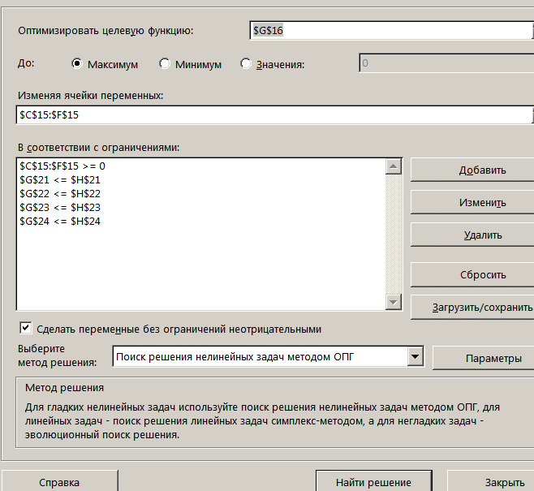

 | Tahoe | Pacific | Savannah | Aspen
Pallets | 23 | 15 | 39 | 0 | Total Profit | answers
Profit | 450 | 1150 | 800 | 400 | 58800

Resources Required per Pallet of Paneling Type
 | Tahoe | Pacific | Savannah | Aspen | Used | Available
Glue (quarts) | 50 | 50 | 100 | 50 | 5800 | 5800
Pressing (hours) | 5 | 15 | 10 | 5 | 730 | 730
Pine chips (pounds) | 500 | 400 | 300 | 200 | 29200 | 29200
Oak chips (pounds) | 500 | 750 | 250 | 500 | 32500 | 60500
 |  |  |  |  | here are shoul be formulas

2. advanced filter
№ | Name of product | Year | Quarter | Shipping date | Price | Quantity | Amount | Provider | Consignment | Debt
11 | Set of covers 5 | 2015 | 4 | 2015-10-25 | 5.00 kr | 9000 | 45,000.00 kr | "Coloring" | 215889 | 37,500.00 kr
18 | Set of pens 8 pcs | 2015 | 4 | 2015-11-30 | 8.75 kr | 210 | 1,837.50 kr | "Constant" | 452130 | 1,140.00 kr

№ | Name of product | Year | Quarter | Shipping date | Price | Quantity | Amount | Provider | Consignment | Debt | season autumn
 | *set* | 2015 |  |  |  |  |  |  |  |  | FALSE

Use advanced filter to display
1) product with name "Set of covers 6" or with the price <2.5
2) shipping date for autumn 2015 and product name contains "Set"
3) quantity greater than median

3. advanced filter
Use advanced filter to display
1) product with name "Set of covers 6" or with the price <2.5
2) shipping date for autumn 2015 and product name contains "Set"
3) quantity greater than median
№ | Name of product | Year | Quarter | Shipping date | Price | Quantity | Amount | Provider | Consignment | Debt
1 | Ball point pen blue | 2014 | 4 | 2014-12-01 | 3.75 kr | 1500 | 5,625.00 kr | "Coloring" | 2456 | 300.00 kr
2 | Notebook in a cage 12 sheets | 2014 | 2 | 2014-06-25 | 0.50 kr | 4000 | 2,000.00 kr | "Business cat" | 21547 | 2,000.00 kr
3 | Notebook in a line 12 sheets | 2015 | 3 | 2015-09-08 | 0.50 kr | 4000 | 2,000.00 kr | "Clip" | 546780 | 1,000.00 kr
5 | Notebook in a line 36 sheets | 2015 | 2 | 2015-06-23 | 1.25 kr | 1450 | 1,812.50 kr | "Constant" | 530124 | 1,300.00 kr
10 | Cover transparent | 2015 | 4 | 2015-11-06 | 0.25 kr | 800 | 200.00 kr | "Clip" | 34458 | 35.00 kr
11 | Set of covers 5 | 2015 | 4 | 2015-10-25 | 5.00 kr | 9000 | 45,000.00 kr | "Coloring" | 215889 | 37,500.00 kr
13 | Set of covers 7 | 2014 | 3 | 2014-09-23 | 5.38 kr | 1400 | 7,525.00 kr | "Constant" | 265447 | 3,750.00 kr
16 | Ball point pen red | 2015 | 4 | 2015-10-19 | 2.00 kr | 840 | 1,680.00 kr | "Business cat" | 24489 | 587.50 kr

№ | Name of product | Year | Quarter | Shipping date | Price | Quantity | Amount | Provider | Consignment | Debt | >MEDIAN
 |  |  |  |  |  |  |  |  |  |  | TRUE

